Quick Start
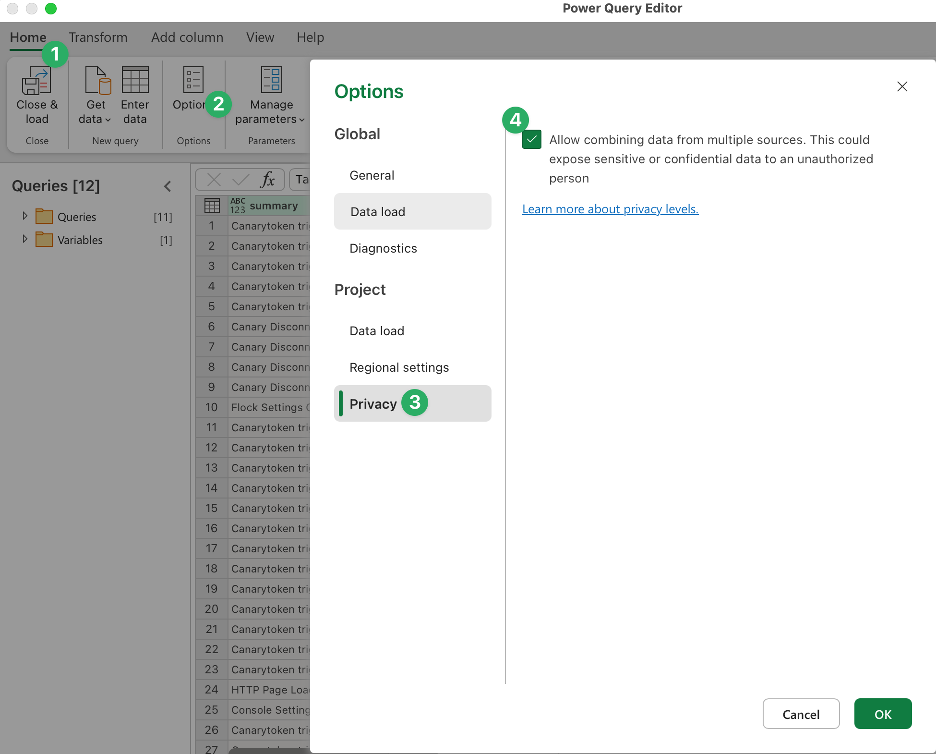
Canary Console Report Workbook |  |  | Click here to get help
 | Last Data Refresh | 14-01-2026 14:30:02 +02:00
 | Last Console Connection Status | success
 | Version | 4.0.0
 | Setup:
 | Step 1: Enable External Content
 | If you've opened this report for the first time, Excel may prevent external connections to the Console. Simply hit the "Enable Content" button to enable API connections. (You'll only need to do this once.)

 | Step 2: Specify Your Canary Console API Keys
 | We'll need to tell this document which Console to connect to, to do this we'll need an API Key and your Console hash. You'll also only need to do this once.
 | Note: Your API Key will persist in this document, keep this document safe, or remove the API Key again before saving.
 | Note: You'll want to use Read-Only API Keys for this workbook. For further reading on API Key types click on me.

 | Your Console Hash (abc123.canary.tools) | abc123
 | Your Read-Only API Key (i.e. SGkgZnJvbSBnCg) | abc123

 | Step 3: Update The Workbook
 | Hit the "Refresh All" Button to run the API queries, this can be done at anytime to get the latest data.

 | Step 4: Specify Privacy levels
 | You may be prompted to specify the privacy levels of the document. (You'll only be asked this for the first time setup.
 | At the first prompt, you'll want to ensure "Anonymous" is selected, then hit "Connect".
 | At the second prompt, you'll want to specify the workbook and connection as "Organizational" then hit save.
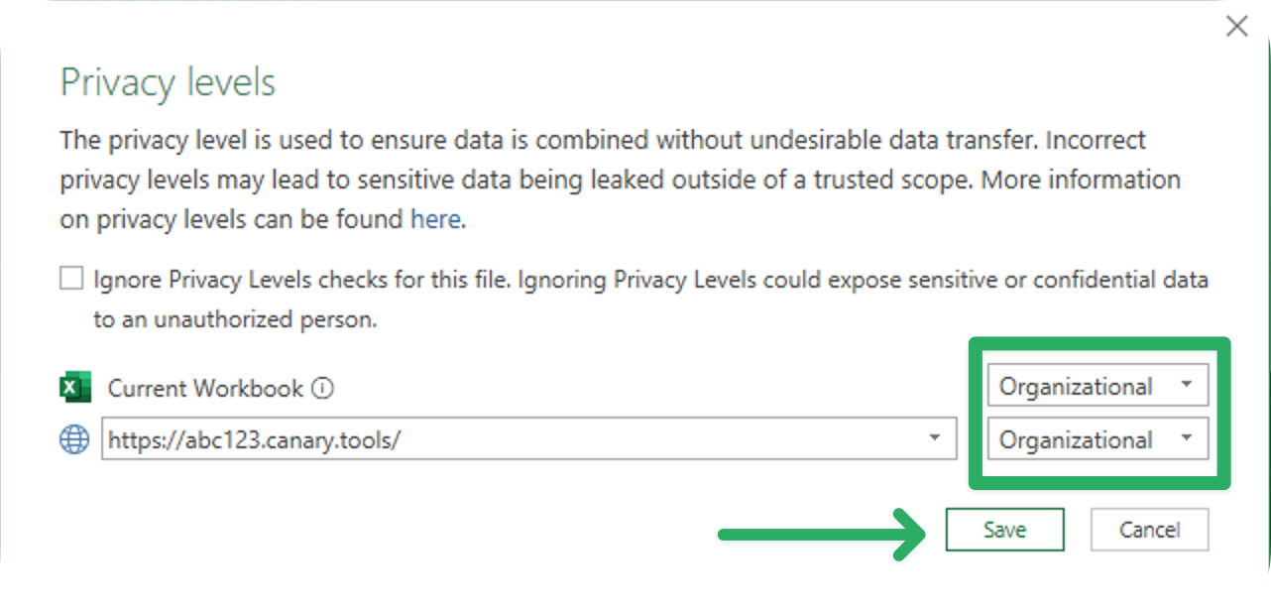
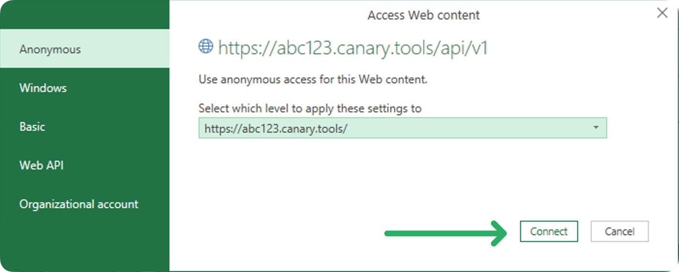

 | MacOS: Ignore Privacy Levels
 | If you're a macOS user, Excel requires these options to be set in a different menu.
 | Please head over "Data" then "Launch Power Query Editor", now from the home tab, hit "Options", "Privacy" and finally tick "Allow combining of data from multiple source." Once done hit OK and save changes.

